1. Title Page
Instacart Grocery Basket Analysis

Project Name: Instacart Grocery Basket Analysis - RGN
Date: 11.07.25
Analyst Name: Ryan G Nattrass

Contents: | ● Citation : “The Instacart Online Grocery Shopping
Population Flow | Dataset 2017”, Accessed from www.instacart.com/datasets/grocery-shopping-2017
Consistency checks | via Kaggle on 07.07.25 .
Wrangling steps
Column derivations
Visualizations
Recommendations

2. Population Flow
Title page

Population flow

Exclusion flag
Condition: max_order <
Obervations to be removed:
Final total count of order_products_all: 32404530

Orders_products_combined
Orders_products_merged
Orders_products_all

Total: 32404859
Total: 32,434,489
Total: 32404530

1.) The grey boxes in the first row of the population flow represent the original data sets as they were when you downloaded them. In the Total fields you need to add the count of the rows when you imported the data set into Jupyter.
2.) The second row of boxes (coloured) represents the data sets after you manipulated them, e.g., removed missing values and duplicates. In the Total fields you need to add the count of the rows after conducting these operations. This offers a visual oveview of how the data flows throughout the data consistency checks.
3.) The third row, where also the arrows are coloured, represents the merges you performed between the datasets. In the Total fields you need to add the count of the rows in the merged datasets, so that you end up with the final dataset (in the red box). Keep in mind the final dataset should be without exclusions (based on the exclusion flag).

3. Consistency checks
 |  |  |  | Title page
Consistency checks

Dataset | Missing values | Missing values treatment | Duplicates
orders | 206209 | kept, due to them representing the first order | 0 duplicates found
products | 16 | Creation of new data frame | 5 duplicates
orders_products_prior | no |  | no
customers | no |  | no
final dataset = instacart_merged_profiles | true values: 1420564 | creation of new data frame that excludes them | no

4. Wrangling steps
 |  |  |  | Title page
Wrangling steps

Columns dropped | Columns renamed | Columns' type changed | Comment/Reason
eval_set |  |  | not necessary for analysis
 | order_dow | Name change = orders_day_of_week | Clarity
 |  | int64 order_id to string | numbers don’t provide values for descriptive analysis
 |  | int64 user_id to string | numbers don’t provide values for descriptive analysis
 |  | int64 order_id to string | order number doesn’t provide any value for descriptive analysis
First Name, Surname |  |  | To protect individual privacy, ethical reasons

5. Column derivations
 |  |  |  | Title page

Column derivations and aggregations

In this tab you should add tables below that the frequences of flags/label variables that you produced after deriving them. NB: don't do this for continuous variables, only for flags.
Dataset | New column | Column/s it was derived from | Conditions
ords_prods_merge | price_range_loc | prices | 15> 'High-range product' >5 & <=15 ' Mid-range product' <5 'Low Range product'
ords_prods_merge | busiest_day | orders_day_of_week | if value = 0:"Busiest day" if value = 4:"Least busy" else = "Regularly busy"
ords_prods_merge | busiests_days | orders_day_of_week | if values [0, 1]: "Busiests days" if values [4, 3]: "Slowest days" else: "Regularly busy"
ords_prods_merge | busiest_period_of_day | orders_day_of_week | if value in [ 10,11,14,15,13,12,16,9]:"Most Orders" if value in [17,8,18,19,20,7]: "Average Orders" else:Fewest Orders"
ords_prods_merge | loyalty_flag | order_number, user_id | If value max_order > 40 : 'Loyal customer' If value max_order <= 40 : 'Regular customer'. If value max_order <= 10: ' New customer'
ords_prods_merge | spender_flag | loyalty_flag, prices | If value mean_prices < 10 : Low spender. If value mean_prices >= 10 : High spender
ords_prods_merge | buyer_flag | user_id, day_since_prior_order | If value median_days_since_prior_order > 20: Non-frequent customer If value median_days_since_prior_order <= 20: Regular_customer . If value median_days_since_prior_order <= 10 : Frequent customer
'instacart_merged_profiles' | exclusion_flag | order_frequency_flag | True: <5 orders False: >=5 orders
'instacart_merged_profiles' | dep_group | n_dependants | if value 'n_dependants' 0: 'No Dependents' , >=1 + <3: Few Dependents, >=3:Many Dependents
'instacart_merged_profiles' | age_group | age | if age values < 25: '<25' if 25-40: '25-40' if 41-60: '41-60' if 60+: 'Over 60'
'instacart_merged_profiles' | income_band | income | if income values < 50000: 'Low Income' if income 50000+: 'High Income'
'instacart_merged_profiles' | department | department_id | if value 1: frozen if value 2: other if value 3: bakery if value 4: produce if value 5: alcohol if value 6: international if value 7: beverages if value 8: pets if value 9: dry goods pasta if value 10: bulk if value 11: personal care if value 12: meat seafood if value 13: pantry if value 14: breakfast if value 15 :canned goods if value 16: dairy eggs if value 17: household if value 18: babies if value 19: snacks if value 20: deli if value 21: missing
'instacart_merged_profiles' | top_department | department | most fequently occuring department per user_id
'instacart_merged_profiles' | customer_profile | income_band, age_group, top_department, dep_group | if has dependents and age <=40 and low income = 'Low Income Young Parent' if has dependents and age <=40 and high income = 'High Income Young Parent' if has dependents and age >40 and low income = 'Low Income Experienced Parent' if has dependents and age >40 and high income = 'High Income Experienced Parent' if no dependents and favourite department = Pets = 'Pet Owner' if no dependents and favourite department = Alcohol = 'Social Single' else = 'Single Adult'

6. Visualizations and Recommend
 |  |  |  |  | Title page

Visualisations and Recommendations

In this tab you should include all the visualtions from Exercises 4.9 and 4.10, alongside the questions from the project brief that they answer. Include any commentary on the relationship between different variables.

 |  |  |  |  | Fig. 1 - Busiest Day |  | Fig 2. Sum of sales per hour (mean)

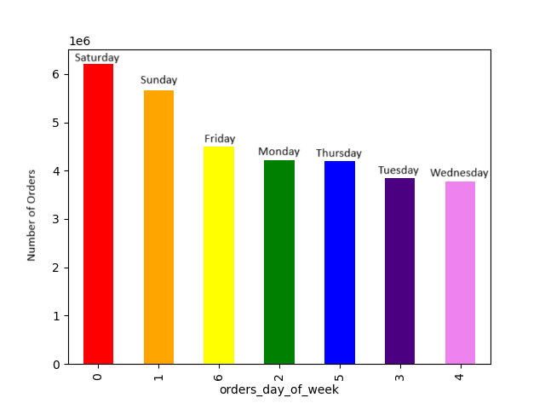
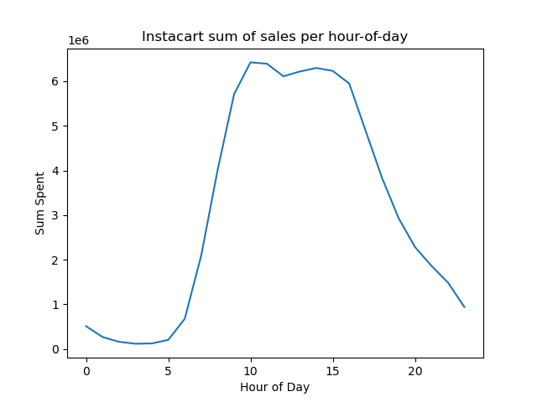
 | ● The sales team needs to know what the busiest days of the week and hours of the
 | day are (i.e., the days and times with the most orders) in order to schedule ads at
 | times when there are fewer orders.

 | They also want to know whether there are particular times of the day when people
 | spend the most money, as this might inform the type of products they advertise at
 | these times.

 | The busiest day, as can be seen in Figure 1, is on Saturday with the least busiest being on Wednesday. Figure 2 shows the sum of sales per hour-of-day. This shows that the most sales occurr from 10am until around 4pm.
 | The fewest orders then would be on weekdays, from midnight until 9am, and then from 5pm until midnight. The most orders would occur on Weekends from 10am until 4pm

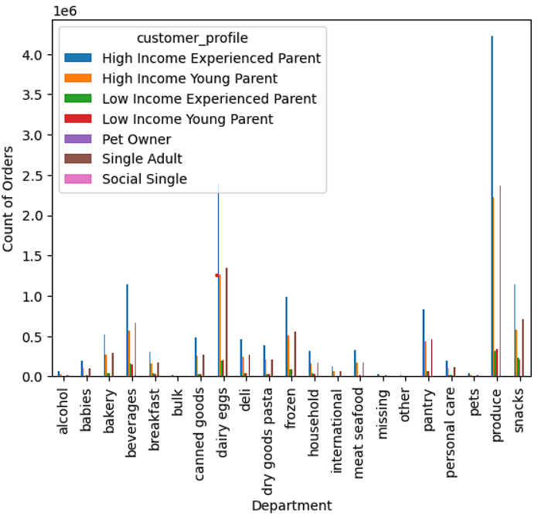
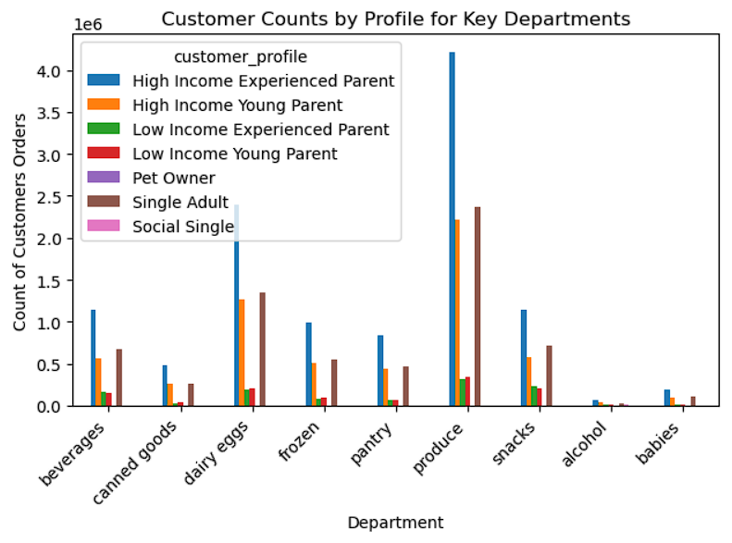
 |  |  |  |  |  |  |  | Fig 4. Full list of orders for each department
 |  |  |  |  | Fig 3. Most orders for each department - cropped for clarity
● Instacart has a lot of products with different price tags. Marketing and sales want to
use simpler price range groupings to help direct their efforts.

Are there certain types of products that are more popular than others? The marketing
and sales teams want to know which departments have the highest frequency of
product orders.

The distribution of orders can be seen in Figure 3 which depicts a selection of the most ordered-from depatrments. The most ordered-from department is 'produce'. This is followed by 'dairy eggs'. The next most popular are similar in ordering frequency and are 'Beverages', 'Frozen', 'Snacks', and 'Pantry. The full list can be seen in Fig 4.

The marketing and sales teams are particularly interested in the different types of
customers in their system and how their ordering behaviors differ. For example:
 |  |  |  | Fig 5. Customer loyalty distribution
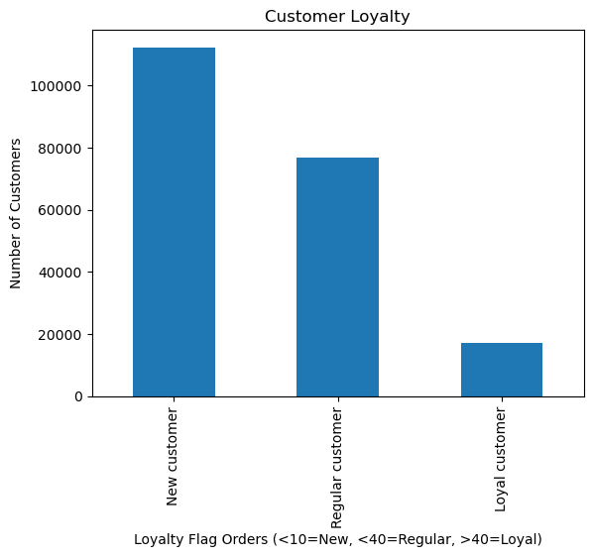
○ What’s the distribution among users in regards to their brand loyalty (i.e., how
often do they return to Instacart)?

The large majority of customers (over half of the customer database) are classed as 'New Customers' and have ordered with instacart less than 10 times (Figure 5). Customers who have ordereed with instacart less than 40 times but more than 10 times are the next populus at around 80,000 customers, and customers who have ordered with instacart more than 40 times number at around 20,000.

 |  |  |  |  |  |  |  |  | Fig 8. New customers are the highest amount of non-frequent orderers.

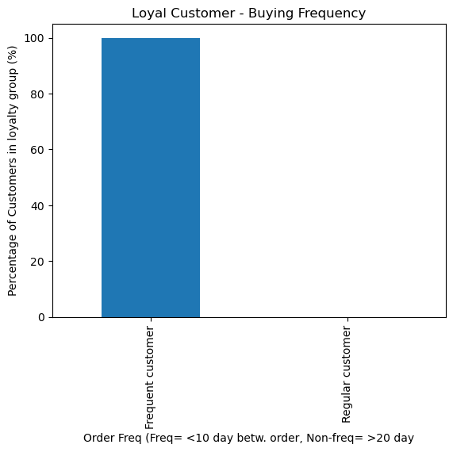
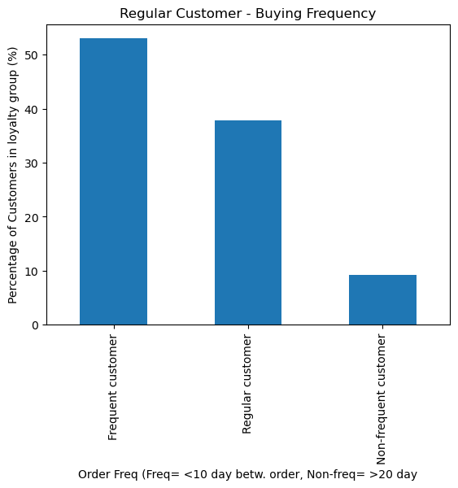
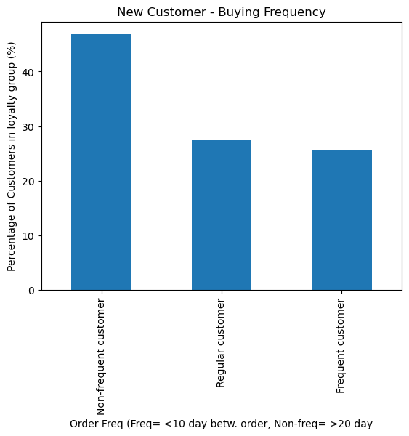
 |  |  |  | Fig 6. Loyal customers are all Frequent Buyers |  | Fig 7. Regularly Loyal customers only have a small number of non-frequent orders
○ Are there differences in ordering habits based on a customer’s loyalty status?

Yes, as can be seen in Figures 6, 7, and 8, the more orders a customer has had with instacart, the more likely they are to have more-frequent ordering. This can be seen in Figure 6, where the most loyal customers are ALL frequently ordering with Instacart. Figure 7 shows the breakdown of Regularly Loyal customers, who are mainly all frequently or regularly ordering with instacart. Figure 8 shows Instacarts newest customers who have the highest number of customers who have not ordered frequently at almost 50%.

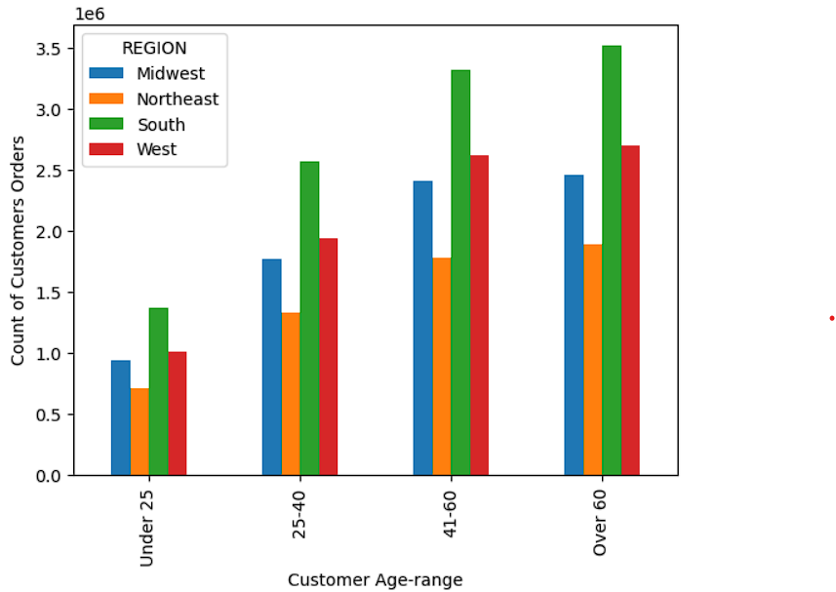
○ Are there differences in ordering habits based on a customer’s region?
○ Is there a connection between family status in terms of ordering |  |  | Fig 9. Age and regional orders for Instacart
habits?

The most orders for Instacart come from customers in the South. The least number of orders come from the Northeast. Furthermore, age seems to be a factor with a large proporation of the customer-orders being from individuals over the age of 40.

○ Is there a connection between family status in terms of ordering
habits?

○ What different classifications does the demographic information suggest?
Age? Income? Certain types of goods? Family status? |  | Fig 10. Department orders for customer profiles |  |  |  | Fig 11. Department orders as % of total orders
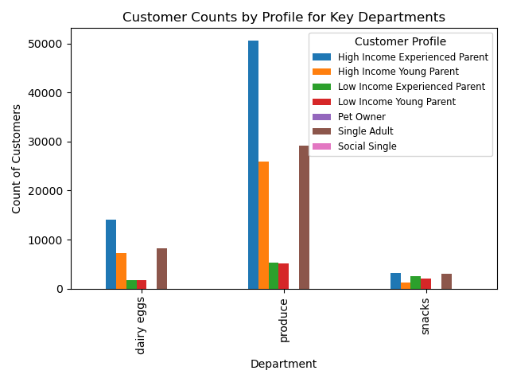
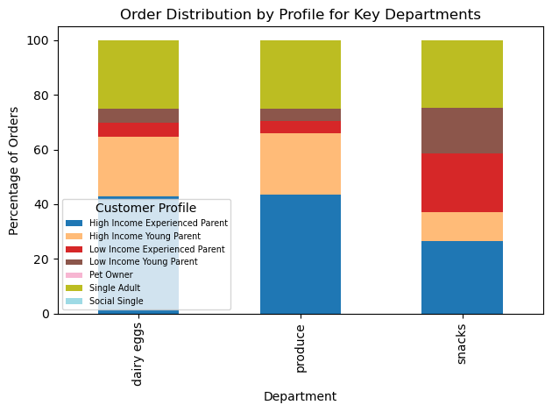
○ What differences can you find in ordering habits of different customer
profiles? Consider the price of orders, the frequency of orders, the products
customers are ordering, and anything else you can think of

High Income-families or single adults without children represent a much larger % of the orders placed with Instacart than low income families (Figure 3.) Of particular interest however is the 'snacks' department. Figure 10 shows a breakdown of three popular department where for 'produce' and 'dairy eggs' the three most popular profiles are evident (High income families and single adults). However, this is less evident when looking at the 'snacks' department. This is more easily viewed in Figure 11 which depicts a % breakdown for each department by customer profile where the Low income familes are taking a larger proportion of the orders in this department.

7. Recommendations
 |  | Title page

Recommendations
Visualisations

In this tab you should include all the visualtions from Exercises 4.9 and 4.10, alongside the questions from the project brief that they answer. Include any commentary on the relationship between different variables.
In this tab you should include any recommendations you would made to Instcart in terms of their marketing strategy based on the questions posed in the brief. Every key question has been covered in the Tasks of the Exercises - here you need to add an item - a visualisation or table/crosstable that is showing the answer in the data, acompanied by a comment from you. Please, list the questions below and add the answer underneath.

● The sales team needs to know what the busiest days of the week and hours of the
day are (i.e., the days and times with the most orders) in order to schedule ads at
times when there are fewer orders.

They also want to know whether there are particular times of the day when people
spend the most money, as this might inform the type of products they advertise at
these times.

The busiest day, as can be seen in Figure 1, is on Saturday with the least busiest being on Wednesday. Figure 2 shows the sum of sales per hour-of-day. This shows that the most sales occur from 10am until around 4pm. | It would be my recommendation that scheduled ads should run in the evenings of weekdays or before 10am on weekends.
The fewest orders then would be on weekdays, from midnight until 9am, and then from 5pm until midnight. The most orders would occur on Weekends from 10am until 4pm

● Instacart has a lot of products with different price tags. Marketing and sales want to
use simpler price range groupings to help direct their efforts.

Are there certain types of products that are more popular than others? The marketing
and sales teams want to know which departments have the highest frequency of
product orders.

The most ordered-from department is 'produce'. This is followed by 'dairy eggs'. The next most popular are similar in ordering frequency and are 'Beverages', 'Frozen', 'Snacks', and 'Pantry. The full list can be seen in Fig 4.

The marketing and sales teams are particularly interested in the different types of
customers in their system and how their ordering behaviors differ. For example:

○ What’s the distribution among users in regards to their brand loyalty (i.e., how
often do they return to Instacart)?

○ Are there differences in ordering habits based on a customer’s loyalty status?
The large majority of customers (over half of the customer database) are classed as 'New Customers' and have ordered with instacart less than 10 times (Figure 5). Customers who have ordereed with instacart less than 40 times but more than 10 times are the next populus at around 80,000 customers, and customers who have ordered with instacart more than 40 times number at around 20,000.

There are differences in ordering habits based on a customer’s loyalty status. The more orders a customer has had with instacart, the more likely they are to have more-frequent ordering. This can be seen in Figure 6, where the most loyal customers are ALL frequently ordering with Instacart. Figure 7 shows the breakdown of Regularly Loyal customers, who are mainly all frequently or regularly ordering with instacart. Figure 8 shows Instacarts newest customers who have the highest number of customers who have not ordered frequently at almost 50%.

 | It would be my recommendation to focus upon getting New-customers to place more orders. Data shows that the more orders a customer has had, the more likely they are to order more frequently.

○ Are there differences in ordering habits based on a customer’s region?
○ Is there a connection between age in terms of ordering
habits?

The most orders for Instacart come from customers in the South. The least number of orders come from the Northeast. Furthermore, age seems to be a factor with a large proporation of the customer-orders being from individuals over the age of 40.

○ Is there a connection between family status in terms of ordering
habits?

○ What different classifications does the demographic information suggest?
Age? Income? Certain types of goods? Family status?

○ What differences can you find in ordering habits of different customer
profiles? Consider the price of orders, the frequency of orders, the products
customers are ordering, and anything else you can think of

High Income-families or single adults without children represent a much larger % of the orders placed with Instacart than low income families (Figure 3.) Of particular interest however is the 'snacks' department. Figure 10 shows a breakdown of three popular department where for 'produce' and 'dairy eggs' the three most popular profiles are evident (High income families and single adults). However, this is less evident when looking at the 'snacks' department. This is more easily viewed in Figure 11 which depicts a % breakdown for each department by customer profile where the Low income familes are taking a larger proportion of the orders in this department.

 | If targeted ads are aimed at Instacarts most popular customers and items, then the most orders for Instacart come from High Income families buying items from the produce department.
 | Low-income families are more likely to order from the snack-department
 | More orders come from customers over the age of 40 than under the age of 40

 | A top_departments column has been added ror each customer_id. This could be used to target ads for customers favourite orders.

